Program Application

This application is step 1 of the GCCA Energy Excellence Recognition Program. Completion of the application is mandatory for participation at all award levels. For questions, contact energy@gcca.org.
Instructions: Complete the form below and email it to energy@gcca.org. Upon completion, participants will receive additional instructions, progress reports, and resource materials.

 | * REQUIRED FOR ALL LEVELS ** REQUIRED FOR GOLD LEVEL
 | 1 | Facility Contact Information*
 |  |  | Company Name*
 |  |  | Facility Address*
 |  |  | Facility Phone Number*
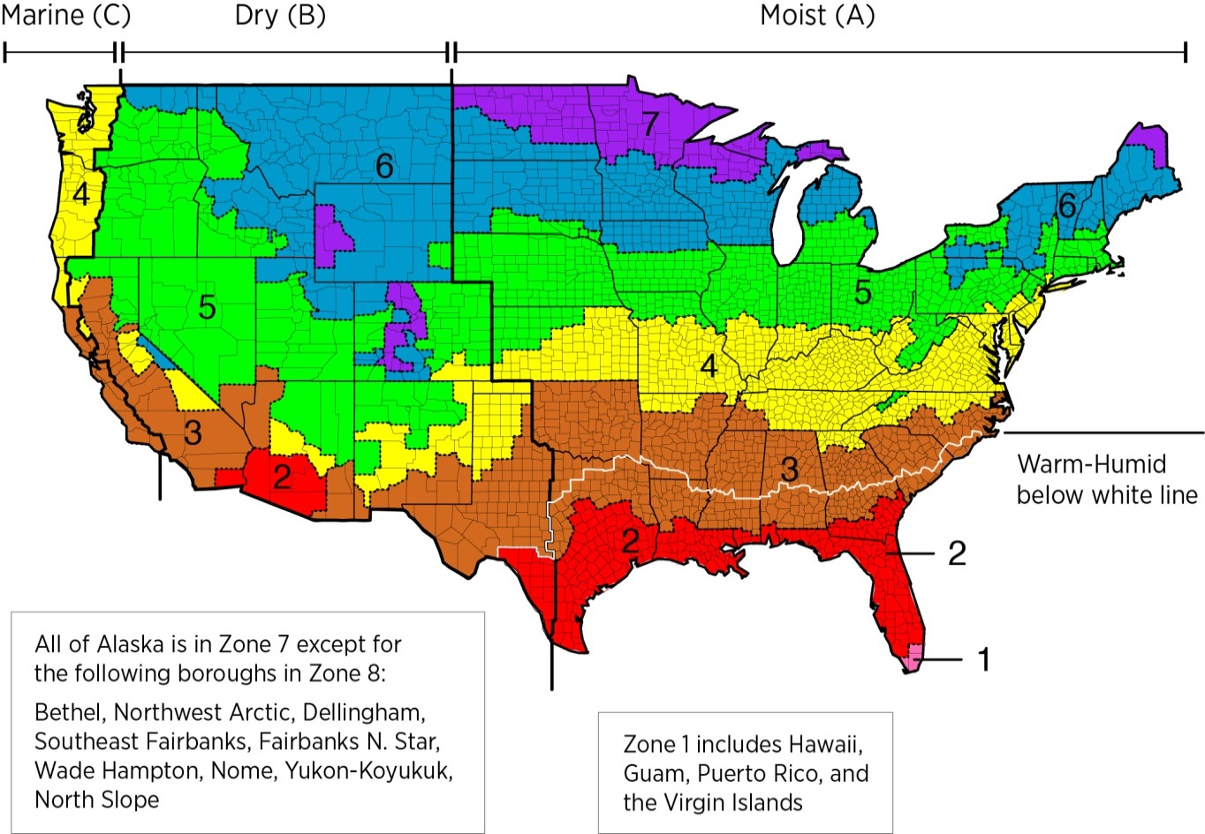
 |  |  | Facility Contact Person*
 |  |  | Contact Person's Email*

 | 2 | Facility Location (SEE MAP)*
 |  |  | Location Zone from Map*
 |  |  | Moisture Zone from Map*

 | 3 | Facility Cubic Footage*
 | 4 | Annual Product Throughput (lbs)*

 | 5 | Facility Size and Usage Breakdown**
 |  |  | Facility Cubic Footage Breakdown
 |  |  | Blast Freezers (Cubic Feet)**
 |  |  | Conventional Freezers - Not Ice Cream Rooms (Cubic Feet)**
 |  |  | Conventional Freezers - Ice Cream Rooms (Cubic Feet)**
 |  |  | Refrigerated/Chilled (Cubic Feet)**
 |  |  | Non-Conditioned Storage (Ambient) (Cubic Feet)**
 |  |  | Office/Support (Square Feet)**

 | 6 | Refrigeration System |  | Note exceptions or additional information as needed below this area.
 |  |  | Refrigeration System Type**
 |  |  | Refrigeration System Type (if multiple)**
 |  |  | Refrigeration System Set Points (Degrees F)
 |  |  | Blast Freezers**
 |  |  | Conventional Freezers - Not Ice Cream Rooms**
 |  |  | Conventional Freezers - Ice Cream Rooms**
 |  |  | Refrigerated/Chilled**

 | 7 | Overhead Door Automation
 |  |  | Door Automation and Seals
 |  |  | Internal Doors**
 |  |  | Exterior and Loading Doors**
 |  |  | Loading Dock Seals**

 | 8 | Facility Lighting
 |  |  | Facility Lighting Type by Space
 |  |  | Blast Freezers**
 |  |  | Conventional Freezers - Not Ice Cream Rooms**
 |  |  | Conventional Freezers - Ice Cream Rooms**
 |  |  | Refrigerated/Chilled**
 |  |  | Non-Conditioned Storage (Ambient)**
 |  |  | Office/Support**

 | 9 | In Floor Heat System Type Breakdown
 |  |  | Blast Freezers**
 |  |  | Conventional Freezers - Not Ice Cream Rooms**
 |  |  | Conventional Freezers - Ice Cream Rooms**

Visit www.gcca.org/energyexcellence for more information. Contact energy@gcca.org with questions or concerns.

